1.Hyper Param of DT Classifiers
▣ HYPER PARAMETERS FOR DECISION TREE CLASSIFIERS WITH GRID SEARCH CV |  |  |  | REFERENCE

 |  |  |  | ⇰REFERENCE (Website)-->Scikit Learn Regarding Conceptual & Practical Understanding of Various Hyper Parameters of Decision Tree Classifiers

IMPERATIVE/FUNDAMENTAL HYPER PARAMETER FOR DECISIONTREE CLASSIFIERS MODEL

⇰criterion{“gini”, “entropy”, “log_loss”}, default=”gini”
❶The function to measure the quality of a split. Supported criteria are “gini” for the Gini impurity and “log_loss” and “entropy” both for the Shannon information gain |  |  |  | ⇰REFERENCE (Website)-->Udemy Regarding Conceptual & Practical Understanding (Coding) of Various Hyper Parameter of Decision Tree Classifiers

▣Entropy is an information theory metric that measures the impurity or uncertainty in a group of observations. It determines how a decision tree chooses to split data. The image below gives a better description of the purity of a set. | ▣Gini Index The other way of splitting a decision tree is via the Gini Index. The Entropy and Information Gain method focuses on purity and impurity in a node. The Gini Index or Impurity measures the probability for a random instance being misclassified when chosen randomly. The lower the Gini Index, the better the lower the likelihood of misclassification.

 |  |  |  | ⇰REFERENCE (Website)-->Medium (1st) Regarding Thereotical & Conceptual Understanding of 1st Methods of Splitting Criterion --Entropy | ⇰REFERENCE (Website)-->Section Regarding Thereotical & Practical Implementation Regarding Splitting Criterion --Entropy
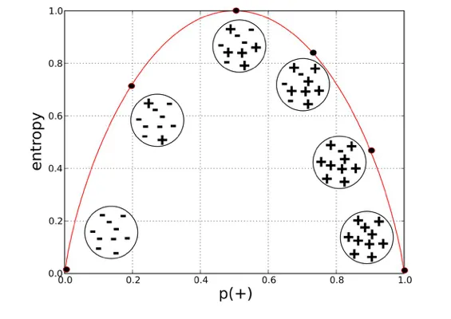

 | 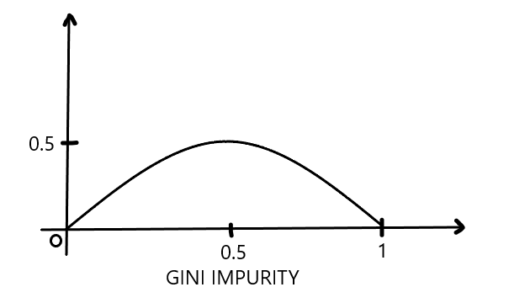

 |  |  |  | ⇰REFERENCE (Website)-->Scikit Learn Regarding Conceptual & Practical Understanding of Various Hyper Parameters of Decision Tree Classifiers

⇰splitter{“best”, “random”}, default=”best”
❶The strategy used to choose the split at each node. Supported strategies are “best” to choose the best split and “random” to choose the best random split. ❷splitter :This is how the decision tree searches the features for a split. The default value is set to “best”. That is, for each node, the algorithm considers all the features & chooses the best split. If you decide to set the splitter parameter to “random” then a random subset of features will be considered. ❸Basically in Simple Words :- ▣Using best, the model if taking the feature with the highest importance ▣Using random, the model if taking the feature randomly but with the same distribution (in gini, proline have an importance of 38% so it will be taken in 38% of cases)

 |  |  |  | ⇰REFERENCE (Website)-->Stackoverflow Regarding Thereotical & Conceptual Understanding of Hyper Parameter "splitter"

⇰max_depth:int, default=None (PRUNING)
❶The maximum depth of the tree. If None, then nodes are expanded until all leaves are pure or until all leaves contain less than min_samples_split samples. ❷According to Udemy It is mandating a maximum depth of our decision tree.So what we can do here is decide that we only want the decision tree to have a depth of two potential split layers, essentially splitting off the root node and then splitting off of those nodes. Anything further down than that, we're going to go ahead and prune or cut off so we can mandate a maximum depth of the tree, which would mean that we would just go back up and make those terminal or leaf nodes instead of decision nodes. |  |  | 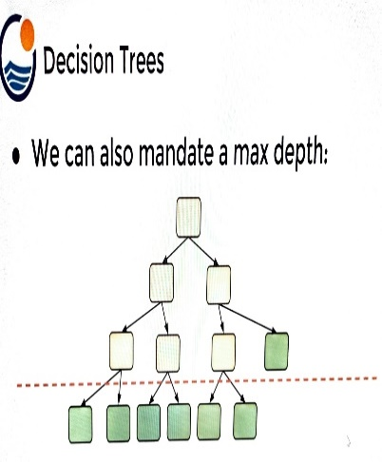 | ⇰REFERENCE (Website)-->Udemy Regarding Thereotical & Conceptual Understanding of Hyper Parameter-> Max_Depth

▣internal node Vs leaf node

❶A leaf node is a node that has no children. A node that does have children is known as an internal node. The root is an internal node, except in the special case of a tree that consists of just one node . |  |  |  | ⇰REFERENCE (Website)-->Quora Regarding Thereotical & Conceptual Understanding of Internal Node Vs Leaf Node | ⇰REFERENCE (Website)-->Stackoverflow Regarding Thereotical & Conceptual Understanding of internal Node Vs Leaf Node

⇰min_samples_split:int or float, default=2
❶The minimum number of samples required to split an internal node: ▣If int, then consider min_samples_split as the minimum number. ▣If float, then min_samples_split is a fraction and (min_samples_split *n_samples) are the minimum number of samples for each split. ∎So in Simple Words We will Understand This with Example If min_samples_split=10 Then It means There Will be no Splitting At Decision Node Unless If Samples is Less than 10 Here in This Chart we can see where gini=0.4444 Concurrently Samples=6 So from that there is no splitting & Because of Condition If samples < 10 Then No Splitting from Decision Node Ultimately it will become Terminal Node. | 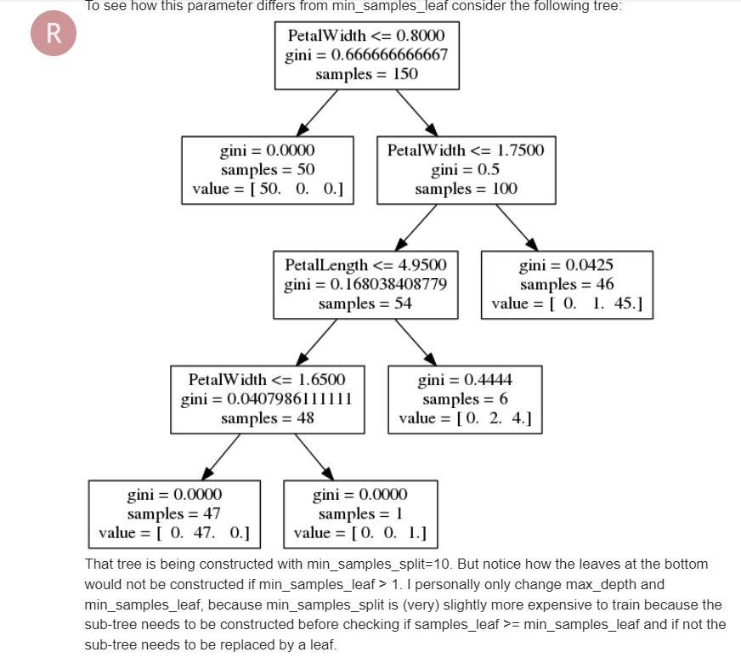 |  |  | ⇰REFERENCE (Website)-->Analytics Vidhya Regarding Thereotical & Conceptual Understanding of Param min_sample_split in Decision Tree

 |  |  |  | ⇰REFERENCE (Website)-->Scikit Learn Regarding Conceptual & Practical Understanding of Various Hyper Parameters of Decision Tree Classifiers

⇰min_samples_leaf:int or float, default=1
❶The minimum number of samples required to be at a leaf node. A split point at any depth will only be considered if it leaves at least min_samples_leaf training samples in each of the left and right branches. This may have the effect of smoothing the model, especially in regression. ▣If int, then consider min_samples_leaf as the minimum number. ▣If float, then min_samples_leaf is a fraction and ceil (min_samples_leaf * n_samples) are the minimum number of samples for each node. ∎So in Simple Words We will Understand This with Example If min_samples_leaf=2 Then there will be no splitting at Decision Node In this Chart where gini=0 & sample =1 But There is No Splitting because min_sample_leaf is set=2 & Main Condition is Both Branches (Left & Right) 's samples >2.If Any one Of Branches 's samples<2 Then it will become Leaf (Terminal node)
 |  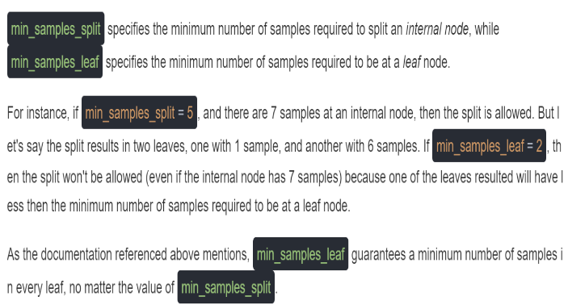
 |  |  |  | ⇰REFERENCE (Website)-->Stackoverflow Regarding Thereotical & Conceptual Understanding of min_samples_split and min_samples_leaf in DecisionTreeClassifier | ⇰REFERENCE (Website)-->Ytho Python Regarding Conceptual & Practical Understanding of Diff in Between Min_sample Leaf Vs Min Sample Split

 |  |  |  | ⇰REFERENCE (Website)-->Analytics Vidhya Regarding Thereotical & Conceptual Understanding of Param min_sample_split in Decision Tree

 |  |  |  | ⇰REFERENCE (Website)-->Udemy Regarding Conceptual & Practical Understanding (Coding) of Various Hyper Parameter of Decision Tree Classifiers

▣Min Sample Leaf Vs Min Sample Split
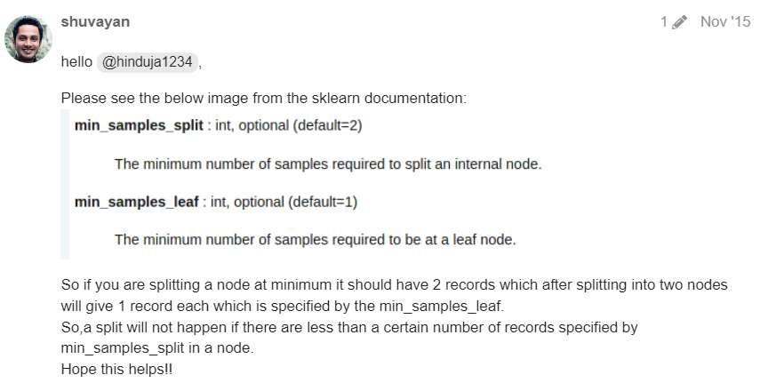 

 |  |  |  | ⇰REFERENCE (Website)-->Analytics Vidhya Regarding Thereotical & Conceptual Understanding of Param min_sample_split in Decision Tree | ⇰REFERENCE (Website)-->Ytho Python Regarding Conceptual & Practical Understanding of Diff in Between Min_sample Leaf Vs Min Sample Split

⇰max_features:int, float or {“auto”, “sqrt”, “log2”}, default=None
❶The number of features to consider when looking for the best split:- ▣If int, then consider max_features features at each split. ▣If float, then max_features is a fraction and max(1, int(max_features * n_features_in_)) features are considered at each split. ▣If “sqrt”, then max_features=sqrt(n_features). ▣If “log2”, then max_features=log2(n_features). ▣If None, then max_features=n_features. ❷Basically in Simple Words max_features The number of features to consider when looking for the best split (Responsible for Root Node).If this value is not set, the decision tree will consider all features available to make the best split. Depending on your application, it's often a good idea to tune this parameter. |  |  |  | ⇰REFERENCE (Website)-->Medium (Towards Data Science) Regarding Thereotical & Conceptual Understanding of Hyper Param =>max_features

 |  |  |  | ⇰REFERENCE (Website)-->Scikit Learn Regarding Conceptual & Practical Understanding of Various Hyper Parameters of Decision Tree Classifiers

⇰max_leaf_nodes:int, default=None
❶Grow a tree with max_leaf_nodes in best-first fashion. Best nodes are defined as relative reduction in impurity. If None then unlimited number of leaf nodes. ❷Maximum number of leaf nodes a decision tree can have. Basically in Simple Words We can adjust Maximum No of Leaf Nodes (Terminal Nodes) at End of Decision Tree For Ex In This Decision Tree we set max_leaf_nodes=2 so we can see in this figure We have 2 Leaf Nodes (Terminal Nodes). | 

 |  |  |  | ⇰REFERENCE (Website)-->Analytics Vidhya Regarding Thereotical & Conceptual Understanding of param max_leaf_nodes in Decision Tree

⇰random_state:int, RandomState instance or None, default=None
❶Controls the randomness of the estimator. The features are always randomly permuted at each split, even if splitter is set to "best". ❷When max_features < n_features, the algorithm will select max_features at random at each split before finding the best split among them.But the best found split may vary across different runs, even if max_features=n_features. ❸That is the case, if the improvement of the criterion is identical for several splits and one split has to be selected at random. To obtain a deterministic behaviour during fitting, random_state has to be fixed to an integer. ❹Basically in Simple Words Every time you Run Your Model it will create New Decision Tree & Having New Parameter & New Random Features so to Control That We need to Put random_state:int . | 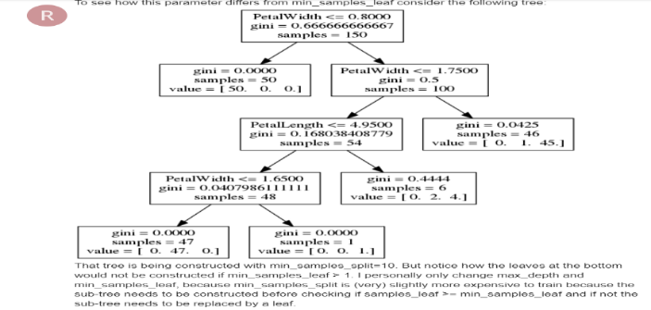 |  |  | ⇰REFERENCE (Website)-->Scikit Learn Regarding Conceptual & Practical Understanding of Various Hyper Parameters of Decision Tree Classifiers

 |  |  |  | ⇰REFERENCE (Website)-->Udemy Regarding Conceptual & Practical Understanding (Coding) of Various Hyper Parameter of Decision Tree Classifiers

⇰min_impurity_decrease:float, default=0.0
❶A node will be split if this split induces a decrease of the impurity greater than or equal to this value. ❷Basically in Simple Words (Udemy) Let's imagine that we have many features and we're having this really large over fitted tree.That is, the tree ends up being very deep with many different types of potential splits & often if you have a very large tree, it could potentially over fit to your training data, meaning it doesn't have enough bias to perform well on test data. ❸What you can do to alleviate this issue is add in the parameter of a minimum impurity decrease after being split on a node. |  | 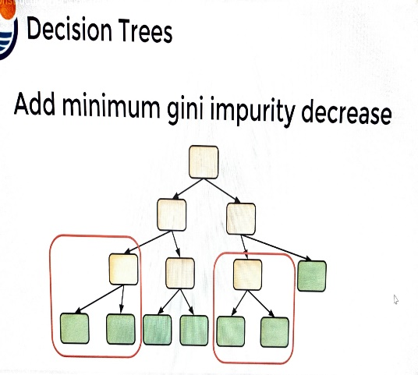
 |  |  |  | ⇰REFERENCE (Website)-->Udemy Regarding Thereotical & Conceptual Understanding of Param min_impurity_decrease used in Decision Tree

❹Essentially we're asking the decision tree to only split on the node if it's worth the decrease in impurity.That is, it's separating out the classes enough that splitting on that particular feature node was actually useful and adding in more information so we can add in that threshold.For example, maybe these two particular instances of nodes being split, then it meet our impurity decrease threshold. ❺ So they weren't really separating out these classes enough in order to meet the decrease in impurity for our threshold, in which case we're essentially going to perform automatic feature selection & this is also pruning the tree a bit because that particular feature node could actually decrease impurity,it's just going to become a leaf node.Another parameter we can adjust is mandating a maximum depth of our decision tree. |  |  |  | ⇰REFERENCE (Website)-->Udemy Regarding Conceptual & Practical Understanding (Coding) of Various Hyper Parameter of Decision Tree Classifiers


 |  |  |  | ⇰REFERENCE (Website)-->1.11(ii)Decision Tree Classifiers Regarding Conceptual & Practical Implementation (Coding) of HyperParam of Decision Tree Classifiers With Grid Search CV

2.Methods of DT Classifiers
▣ METHODS OF DECISION TREE CLASSIFIERS |  | REFERENCE

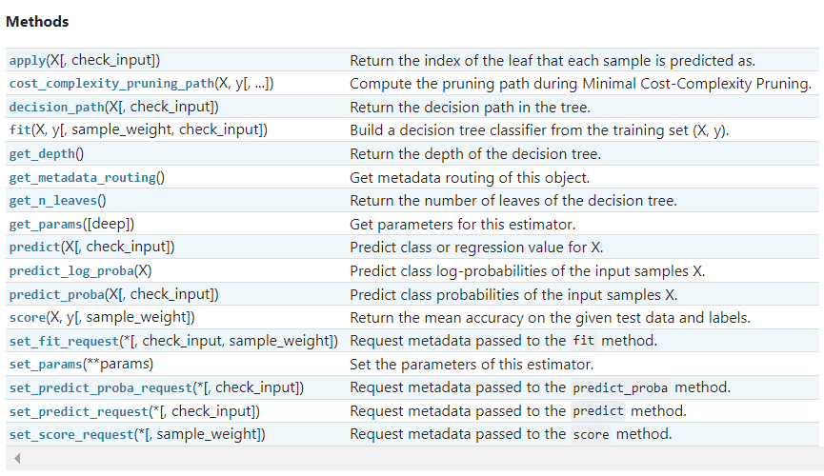 |  | ⇰REFERENCE (Website)-->Scikit Learn Regarding Thereotical & Conceptual Understanding of Various Methods of Decision Tree Classifiers

 |  | ⇰REFERENCE (Website)-->Udemy Regarding Thereotical & Conceptual Understanding of Various Methods of Decision Tree Classifiers

⇰fit(X, y, sample_weight=None) ❶Run fit with all sets of parameters ❷Build a decision tree classifier + Grid Search CV (grid_model) from the training set (X, y).

 |  | ⇰REFERENCE (Website)-->1.11(ii) Google Colab DT (Decision Tree Classifiers) With Grid Search CV Regarding Practical Implementation of (Fit_methods of DT Classifiers)

 |  | ⇰REFERENCE (Website)-->Stackoverflow Regarding Thereotical & Practical Implementation of Imperative Methods in Decision Tree Classifier (predict, predict_proba, predict_log_proba)

⇰predict(X) ❶Transform the data, and apply predict with the final estimator. ❷Predict class or regression value for X.For a classification model, the predicted class for each sample in X is returned. For a regression model, the predicted value based on X is returned.

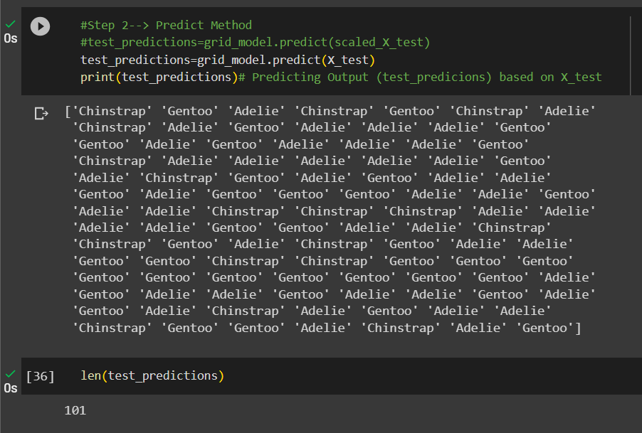 |  | ⇰REFERENCE (Website)-->1.11(ii) Google Colab DT (Decision Tree Classifiers) With Grid Search CV Regarding Practical Implementation of Imperative Methods of (predict(X)

 |  | ⇰REFERENCE (Website)-->Udemy Regarding Thereotical & Conceptual Understanding of Various Methods of Decision Tree Classifiers

⇰predict_proba(X) & Prediction of New Unknown Data ❶Probability estimates:-The returned estimates for all classes are ordered by the label of classes. ❷Compute probabilities of possible outcomes for samples in X. ❸Classification algorithms usually also offer a way to quantify certainty of a prediction, either using Classification Category in the form of 0 Or 1 .Basically Prediction in terms of it's probability ranges in between value 0 & 1 at 0th index. ❹The predicted class probability is the fraction of samples of the same class in a leaf.

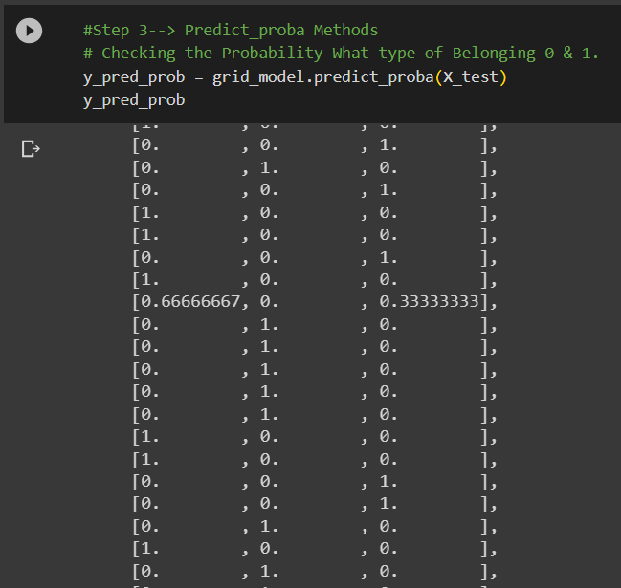 |  | ⇰REFERENCE (Website)-->1.11(ii) Google Colab DT (Decision Tree Classifiers) With Grid Search CV Regarding Practical Implementation of Imperative Methods of (predict_proba(X))

 |  | ⇰REFERENCE (Website)-->Udemy Regarding Thereotical & Conceptual Understanding of Various Methods of Decision Tree Classifiers

 |  | ⇰REFERENCE (Website)-->1.11(ii) Google Colab DT (Decision Tree Classifiers) With Grid Search CV Regarding Practical Implementation of Imperative Methods of (predict_proba(Index[0]))

⇰predict_log_proba(X) ❶Predict logarithm of probability estimates.The returned estimates for all classes are ordered by the label of classes.

❷ Basically in Other word All the Probability Estimates in the form of p .. probability lie in (Between 0 & 1) will be converted into logarithm scale value by this formula as we had done in Copy Or in Practicals.Pl see Given Figure (Fig in 1.7 (Excel) Thereotical Logistic Regression )

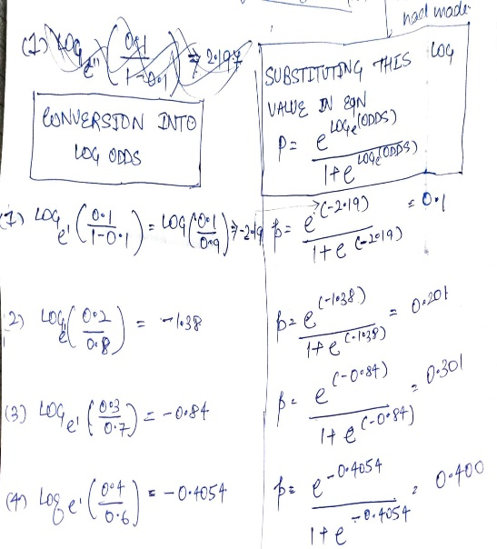

 |  | ⇰REFERENCE (Website)-->Udemy Regarding Thereotical & Conceptual Understanding of Various Methods of Decision Tree Classifiers

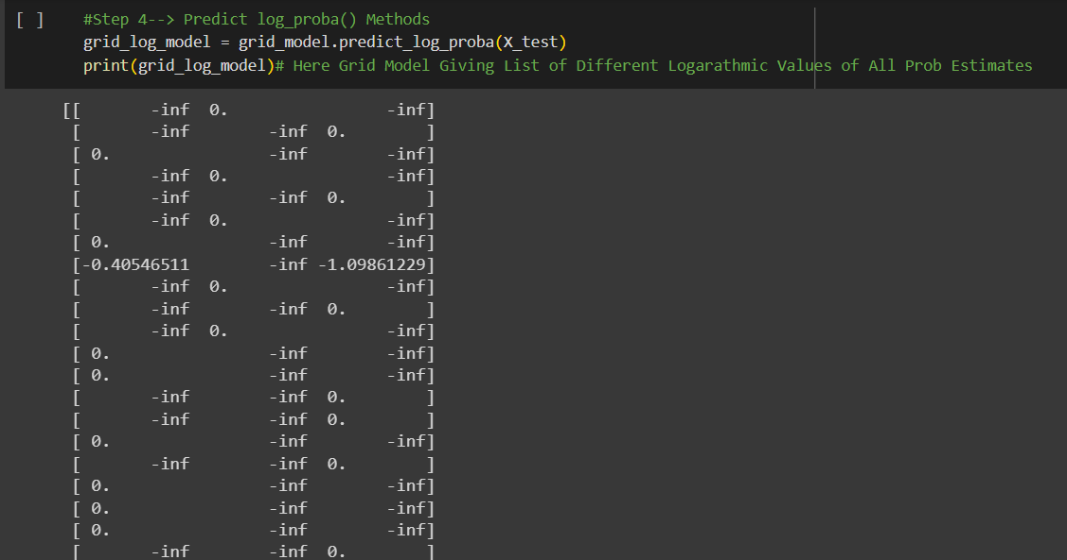
 |  | ⇰REFERENCE (Website)-->1.11(ii) Google Colab DT (Decision Tree Classifiers) With Grid Search CV Regarding Practical Implementation of Imperative Methods of predict_log_proba(X)

▣Predict Logarathmic Probability of Probability Estimates at 0th Index or Individual Index Like 0 , 1 , 2 ,3 ,4 .Here In this Case We can See Log Probabilistic Methods at 0th Index.

 |  | ⇰REFERENCE (Website)-->1.11(ii) Google Colab DT (Decision Tree Classifier) With Grid Search CV Regarding Practical Implementation of Imperative Methods of predict_log_proba(X[0])

⇰get_params(deep=True) ❶Get parameters for this estimator. ❷deep:bool, default=True ,If True, will return the parameters for this estimator and contained sub objects that are estimators. Parameter names mapped to their values in dict format . ❸ In 2nd Instance we had seen that we Create get_params by using calling keys & display result in List Format . ❹Basically in Simple words this param_grid parameter allows you to pass the grid of parameters you are searching. This grid must be formatted as a dictionary with the key corresponding to the specific estimator’s parameter names, and the values corresponding to a list of values to pass for the specific parameters.

 |  | ⇰REFERENCE (Website)-->1.11(ii) Google Colab DT (Decision Tree Classifiers) With Grid Search CV Regarding Practical Implementation of Imperative Methods of get_params in Dictionary Format

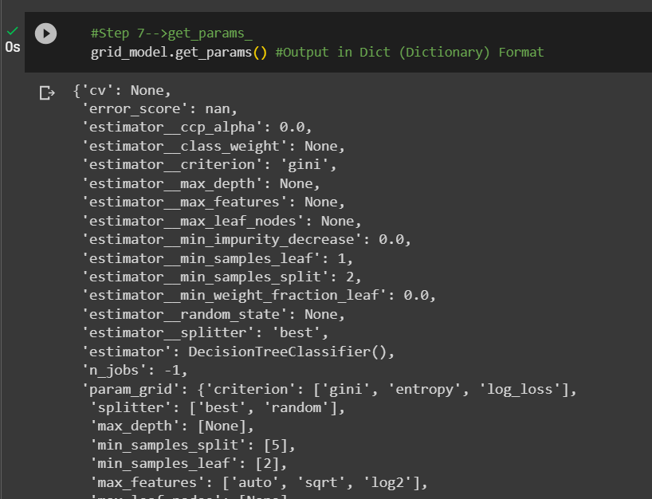 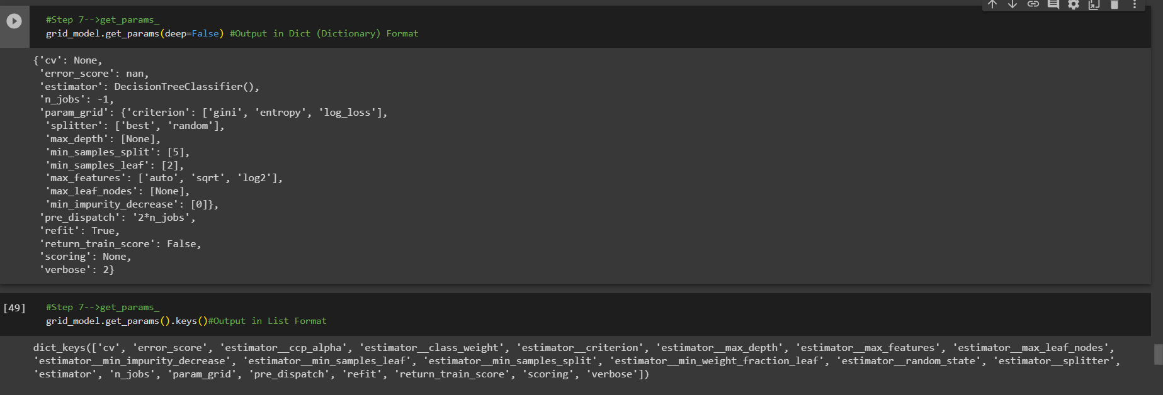

 |  | ⇰REFERENCE (Website)-->Udemy Regarding Thereotical & Conceptual Understanding of Various Methods of Decision Tree Classifiers

 |  | ⇰REFERENCE (Website)-->Udemy Regarding Thereotical & Conceptual Understanding of Various Methods of Decision Tree Classifiers

 |  | ⇰REFERENCE (Website)-->1.11(ii) Google Colab DT (Decision Tree Classifiers) With Grid Search CV Regarding Practical Implementation of Imperative Methods of get_params in List Format

 |  | ⇰REFERENCE (Website)-->Scikit Learn Regarding Thereotical & Conceptual Understanding of Various Methods Decision Tree Classifiers

⇰set_params(params) ❶Set the parameters of this estimator. ❷In simple words set_params (Setting or Readjusting any Hyper Parameter again with New Param) ,We can Perform Readjustment or Reconfiguration of any Hyper Parameter for Given Model & then Re-run the Model.

 |  | ⇰REFERENCE (Website)-->1.11(ii) Google Colab DT (Decision Tree Classifiers) With Grid Search CV Regarding Practical Implementation of Imperative Methods of set_params

❸Basically in upcoming Example We can see changes in set_params (n_jobs=>-1) to (n_jobs=>1) & (verbose=>2) to (verbose=>1) If we do comparison against Previous model.get_params() we can see those changes.

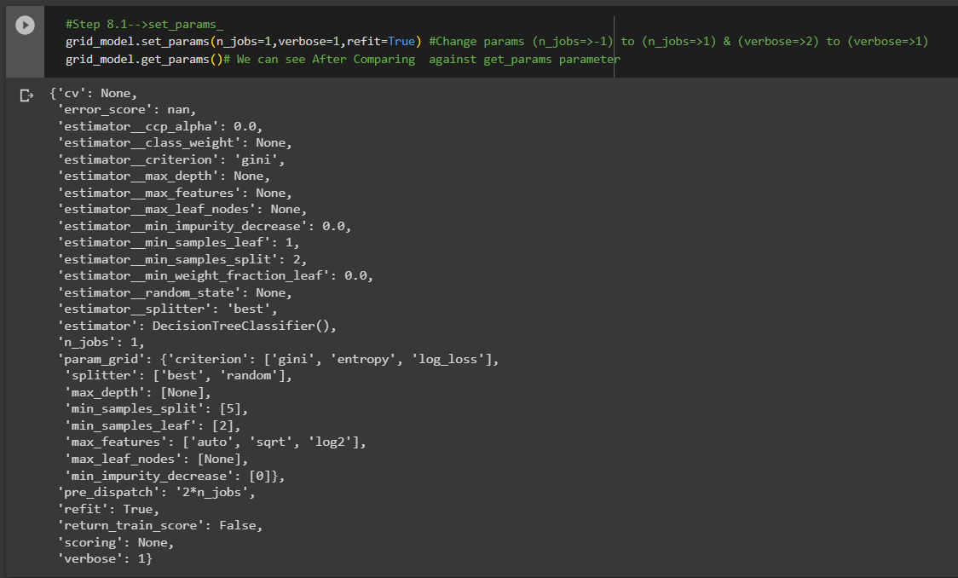

 |  | ⇰REFERENCE (Website)-->Udemy Regarding Thereotical & Conceptual Understanding of Various Methods of Decision Tree Classifiers

 |  |  | ⇰REFERENCE (Website)-->1.11(ii) Google Colab DT (Decision Tree Classifiers) With Grid Search CV Regarding Practical Implementation of (set_params of Keys () methods of DT Classifiers)

 |  | ⇰REFERENCE (Website)-->1.11(ii) Google Colab DT (Decision Tree Classifiers) With Grid Search CV Regarding Practical Implementation of Imperative Methods of cost_compexity_pruning_path | ⇰REFERENCE (Website)-->Scikit Learn Regarding Thereotical & Conceptual Understanding of cost_complexity_pruning_path

⇰cost_complexity_pruning_path(X, y, sample_weight=None) ❶Compute the pruning path during Minimal Cost-Complexity Pruning. ❷Basically in Simple Words Minimal cost-complexity pruning is an algorithm used to prune a tree to avoid over-fitting. This algorithm is parameterized by known as the complexity parameter.

⇰get_depth() ❶Return the depth of the decision tree.The depth of a tree is the maximum distance between the root and any leaf. ❷Basically in Simple Words It is maximum depth of the tree. If None, then nodes are expanded until all leaves are pure or until all leaves contain less than min_samples_split samples.

❶A node will be split if this split induces a decrease of the impurity greater than or equal to this value. ❷Basically in Simple Words (Udemy) Let's imagine that we have many features and we're having this really large over fitted tree.That is, the tree ends up being very deep with many different types of potential splits & often if you have a very large tree, it could potentially over fit to your training data, meaning it doesn't have enough bias to perform well on test data. ❸What you can do to alleviate this issue is add in the parameter of a minimum impurity decrease after being split on a node.

 |  | ⇰REFERENCE (Website)-->1.11(ii) Google Colab DT (Decision Tree Classifiers) With Grid Search CV Regarding Practical Implementation of Imperative Methods of get_depth()

 |  | ⇰REFERENCE (Website)-->1.11(ii) Google Colab DT (Decision Tree Classifiers) With Grid Search CV Regarding Practical Implementation of Imperative Methods of get_n_leaves
⇰get_n_leaves() ❶Return the number of leaves of the decision tree. ❷ Basically in Simple words get_n_leaves() basically refer to no of Leaves (Terminal Node) Created in Decision Tree & Via scikit learn (plot_tree) you can do proper visualization. ❸Best_Estimator's Model from Grid Search CV for This Methods .

 |  | ⇰REFERENCE (Website)-->1.11(ii) Google Colab DT (Decision Tree Classifiers) With Grid Search CV Regarding Practical Implementation of Imperative Methods of apply(X)

⇰apply(X[, check_input]) ❶Return the index of the leaf (Terminal Node) that each sample is predicted as. ❷Best_Estimator's Model from Grid Search CV for This Methods .

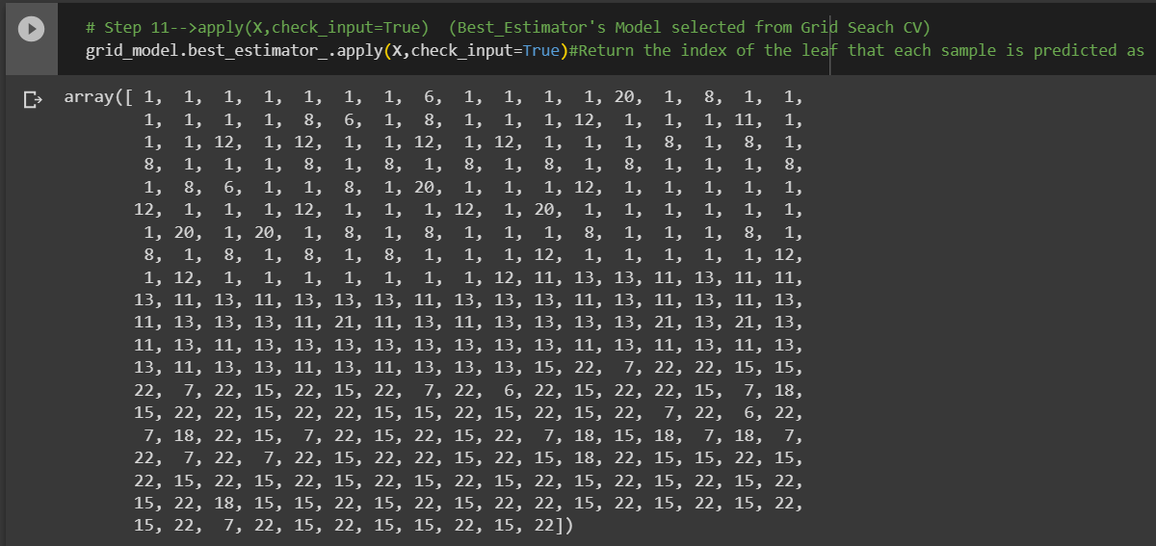

 |  | ⇰REFERENCE (Website)-->Udemy Regarding Thereotical & Conceptual Understanding of Various Methods of Decision Tree Classifiers

 |  | ⇰REFERENCE (Website)-->Scikit Learn Regarding Thereotical & Conceptual Understanding of Various Methods Decision Tree Classifiers

 |  | ⇰REFERENCE (Website)-->1.11(ii) Google Colab DT (Decision Tree Classifiers) With Grid Search CV Regarding Practical Implementation of Imperative Methods of decision_path(X,check_input=True)

⇰decision_path(X, check_input=True) ❶Return the decision path in the tree. ❷Basically in Simple Words This Methods (decision function) will tell us regarding Types of data (Format) & No of Elements Storage in what location ? ❸Best_Estimator's Model from Grid Search CV for This Methods.

»get_scorer_names ⇰sklearn.metrics.get_scorer_names() |  | ⇰REFERENCE (Website)-->Scikit Learn Regarding Metric Scoring Or Various Types of Metric Scoring

❶Get the names of all available scorers.These names can be passed to get_scorer to retrieve the scorer object.. ❷get_scorer_names is typically a method or function found in machine learning libraries, particularly ones like scikit-learn, where it provides a list of available scoring metrics that can be used to evaluate the performance of a model.When you’re optimizing a model, you might want to compare different metrics or choose a specific metric to focus on. Using get_scorer_names ensures you know all the valid metrics available in the library. | 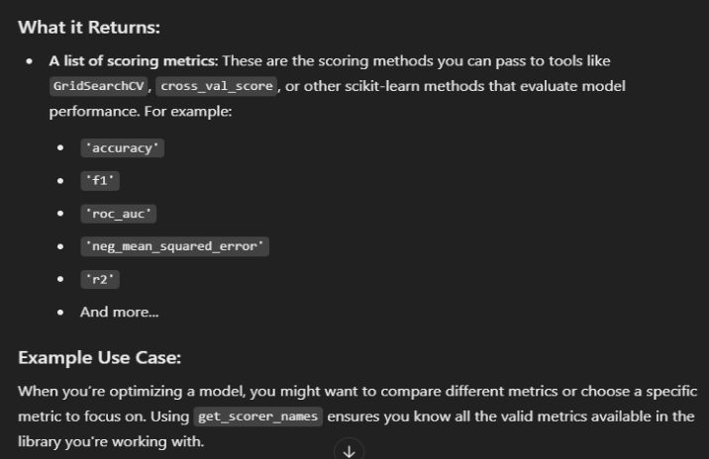

 |  | ⇰REFERENCE (Website)-->Scikit Learn Regarding Thereotical & Conceptual Understanding of Various Methods Decision Tree Classifiers

 |  | ⇰REFERENCE (Website)-->Udemy Regarding Thereotical & Conceptual Understanding of Various Methods of Decision Tree Classifiers


 |  | ⇰REFERENCE (Website)-->1.11(ii) Google Colab DT (Decision Tree Classifiers) With Grid Search CV Regarding Practical Implementation of Imperative Methods of get_scorer_names

»make_scorer ⇰sklearn.metrics.make_scorer(score_func, *, response_method=None, greater_is_better=True, needs_proba='deprecated', needs_threshold='deprecated', **kwargs)[source] |  | ⇰REFERENCE (Website)-->Scikitlearn Regarding Glossary of Common Terms make_scorer.response_method (decision_function) | ⇰REFERENCE (Website)-->Scikitlearn Regarding Glossary of Common Terms make_scorer.response_method (predict_proba)

❶Return the mean accuracy on the given test data and labels. ❷make_scorer⇒ is a utility function in scikit-learn that allows you to turn a custom evaluation metric (A Python function) into a scorer object that can be used for model evaluation, hyperparameter tuning, and cross-validation. It essentially wraps your function into a form that the scikit-learn ecosystem understands.Return the mean accuracy on the given test data & labels. ❸Scorer Metric is used for the purpose for finding what kind of evaluation Criteria is used in Given Data set for the purpose of Finding Out the Error & In this case it is 'accuracy' in AdaBoosting Classifiers. ❹Basically in upcoming example Performance Eval Metric => 'Accuracy' means Correct Prediction=>0.9801=>98.01% & (Remaining Incorrect Prediction (Error) =>0.0199 =>1.99%) . | 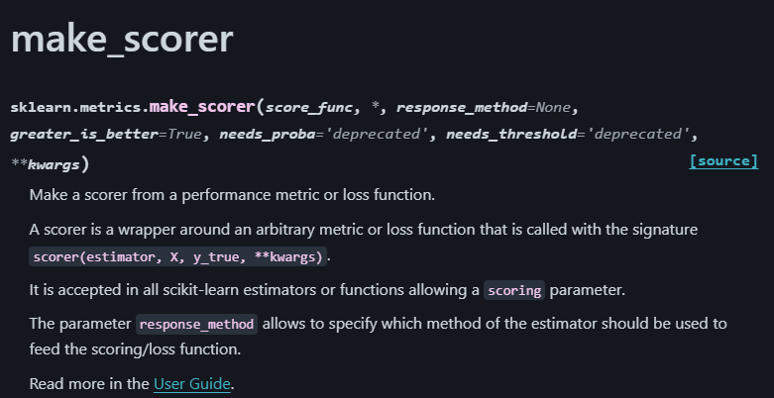

 |  |  | ⇰REFERENCE (Website)-->Scikit Learn Regarding Thereotical & Conceptual Understanding of Various Methods Decision Tree Classifiers
 |  | ⇰REFERENCE (Website)-->Scikit Learn Regarding Metric Scoring Or Various Types of Metric Scoring

 |  | ⇰REFERENCE (Website)-->Udemy Regarding Thereotical & Conceptual Understanding of Various Methods of Decision Tree Classifiers | ⇰REFERENCE (Website)-->Scikitlearn Regarding Conceptual Understanding of Various Methods For make_scorer

 | 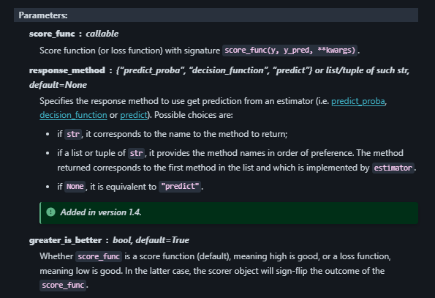
»Example 1: Custom Scorer for Precision
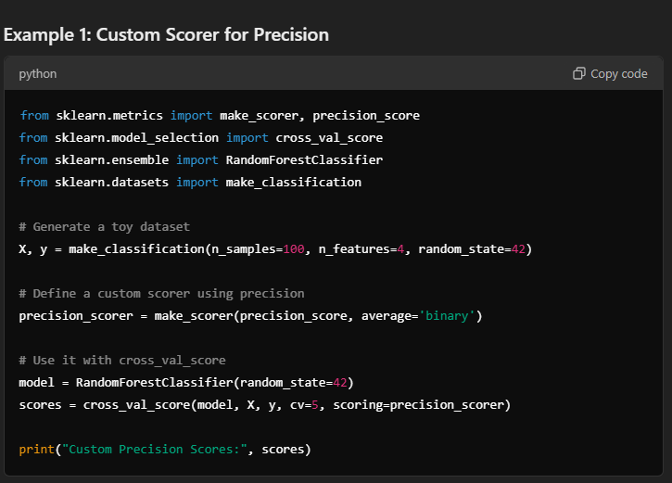

 | 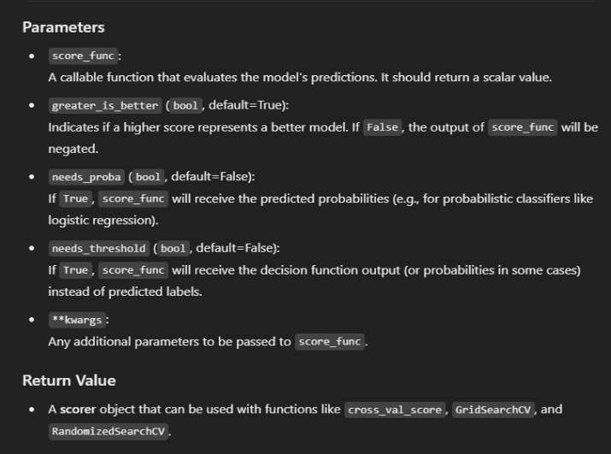
»Example 2: Using Custom Function for scoring
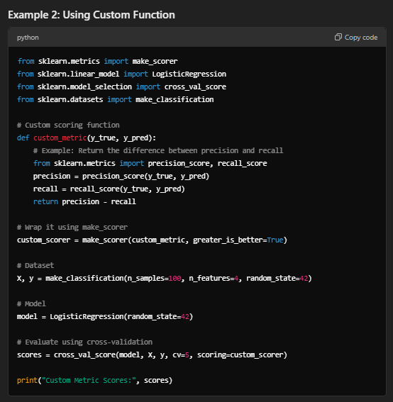

⇒score.response_method('decision_function') OR ('predict_proba') for classification Dataset ❶Specifies how to obtain predictions from the model. ❷By default, response_method='predict' is used for regression models. It calls the predict method of the estimator. ❸(Decision_Function)⇒ method basically returns a Numpy array, In which each element represents whether a predicted sample for x_test by the classifier lies to the right or left side of the Hyperplane & also how far from the HyperPlane. ❹ (predictproba)⇒Classification algorithms usually also offer a way to quantify certainty of a prediction, either using Classification Category in the form of 0 Or 1.Basically Prediction in terms of it's probability ranges in between value 0 & 1 at 0th index. |  | ⇰REFERENCE (Website)-->Scikitlearn Regarding Glossary of Common Terms make_scorer.response_method (decision_function) | ⇰REFERENCE (Website)-->Scikitlearn Regarding Glossary of Common Terms make_scorer.response_method (predict_proba)

 |  |  | ⇰REFERENCE (Website)-->Scikit Learn Regarding Thereotical & Conceptual Understanding of Various Methods Decision Tree Classifiers
 |  | ⇰REFERENCE (Website)-->Scikit Learn Regarding Metric Scoring Or Various Types of Metric Scoring

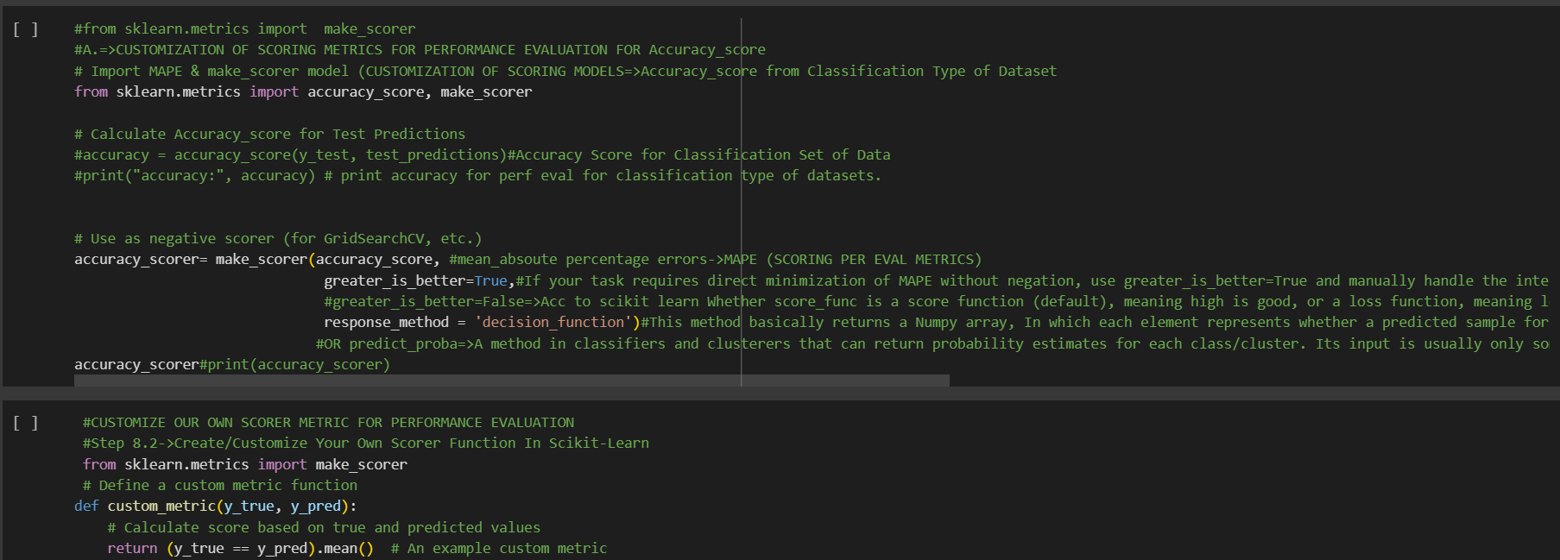

 |  | ⇰REFERENCE (Website)-->Udemy Regarding Thereotical & Conceptual Understanding of Various Methods of Decision Tree Classifiers | ⇰REFERENCE (Website)-->Scikitlearn Regarding Conceptual Understanding of Various Methods For make_scorer

 |  | ⇰REFERENCE (Website)-->1.11(ii) Google Colab RF (Random Forest Classifiers) With Grid Search CV Regarding Practical Implementation of Imperative Methods of make_scorer

3.Attribute of DT Classifiers
▣ ATTRIBUTES OF DECISION TREE CLASSIFIERS | REFERENCE

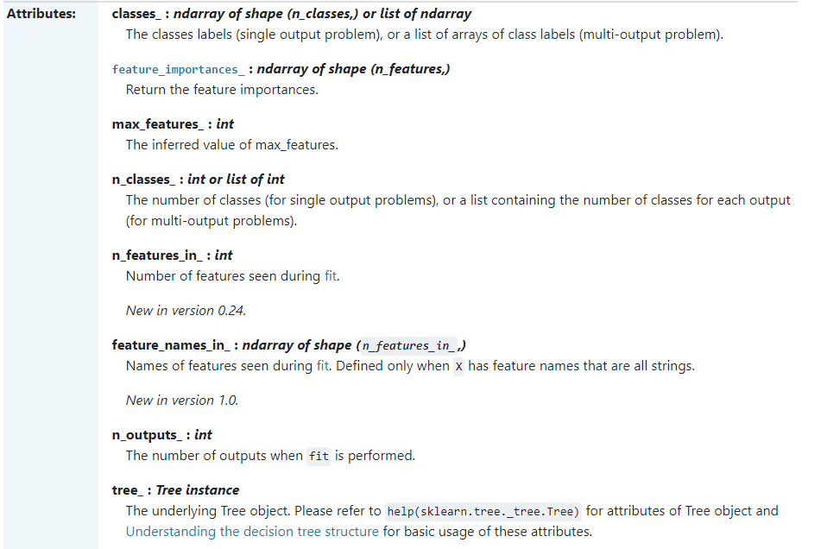 | ⇰REFERENCE (Website)-->Scikit Learn Regarding Thereotical & Conceptual Understanding of Attributes of Decision Tree Classifiers

 | ⇰REFERENCE (Website)-->Udemy Regarding Thereotical & Conceptual Understanding of Various Methods of Decision Tree Classifiers

⇰classes_ndarray of shape (n_classes,) or list of ndarray ❶The classes labels (single output problem), or a list of arrays of class labels (multi-output problem). ❷A list of class labels known to the classifier. ❸Basically in Simple Words Various Classified Labels (Output) (Dependent Variable) Used in Models.

 | ⇰REFERENCE (Website)-->1.11(ii) Google Colab DT (Decision Tree Classifiers) With Grid Search CV Regarding Practical Implementation of Imperative Attributes of classes_ | ⇰REFERENCE (Website)-->Udemy Regarding Thereotical & Conceptual Understanding of Various Methods of Decision Tree Classifiers

⇰feature_importances_:ndarray of shape (n_features,) ❶Return the feature importances. ❷ Basically in Simple Words it will report back the relative importance of each feature and its decision making & this is listed in the same order as the X features. ❸Best_Estimator's Model from Grid Search CV for This Attributes |  |  | ⇰REFERENCE (Website)-->Stackoverflow Regarding Thereotical & Conceptual Understanding of Attributes Running feature_importance with grid search cv_best_estimator

 | ⇰REFERENCE (Website)-->1.11(ii) Google Colab DT (Decision Tree Classifiers) With Grid Search CV Regarding Practical Implementation of Imperative Attributes of feature_importances_ | ⇰REFERENCE (Website)-->Scikit Learn Regarding Thereotical & Conceptual Understanding of Attributes of Decision Tree Classifiers

▣Conversion of feature_importances_ into dataframe So in that way it will easier to read & all features based on their importance will be in Hierarchical Order. ▣In this Case we can see culmen_length_mm is most important features because it scores 0.38 in terms of it's weightage. ▣Best_Estimator's Model from Grid Search CV for This Attributes

❹Feature Importances According in Data Frame Format in Sorting Order (Basically in Simple Words Attributes of Features Importance in Data Frame Format as well as Values sorted in Ascending Order.

 | ⇰REFERENCE (Website)-->1.11(ii) Google Colab DT (Decision Tree Classifiers) With Grid Search CV Regarding Practical Implementation of Imperative Attributes of feature_importances_ in Data Frame Format | ⇰REFERENCE (Website)-->Scikit Learn Regarding Thereotical & Conceptual Understanding of Attributes of Decision Tree Classifiers

⇰max_features_:int ❶The inferred value of max_features. ❷Best_Estimator's Model from Grid Search CV for This Attributes ❸max_features is a crucial hyperparameter in decision tree algorithms like those in scikit-learn. It determines the maximum number of features considered when making each split decision during Decision Tree construction.

 | ⇰REFERENCE (Website)-->1.11(ii) Google Colab DT (Decision Tree Classifiers) With Grid Search CV Regarding Practical Implementation of Imperative Attributes of max_features_ | ⇰REFERENCE (Website)-->Udemy Regarding Thereotical & Conceptual Understanding of Various Methods of Decision Tree Classifiers | ⇰REFERENCE (Website)-->Towards Data Science Regarding Conceptual Understanding of Attributes⇒max_features in Decision Tree Classifiers Model

⇰n_classes_:int or list of int ❶The number of Classes Or Labels (Output) in Classification based Data set (for single output problems), or a list containing the number of classes for each output (for multi-output problems). ❷Basically in Simple Words attribute n_classes refer to Number of Labels or Classes Applicable for Classification based Dataset for Number of Various Labels used for Output like in this example 3 classes we have is 'Adelie', 'Chinstrap', 'Gentoo'. ❸Best_Estimator's Model from Grid Search CV for This Attributes

 |  |  |  | ⇰REFERENCE (Website)-->1.11(ii) Google Colab DT (Decision Tree Classifiers) With Grid Search CV Regarding Practical Implementation of Imperative Attributes of max_features_ | ⇰REFERENCE (Website)-->Udemy Regarding Thereotical & Conceptual Understanding of Various Methods of Decision Tree Classifiers
 | ⇰REFERENCE (Website)-->1.11(ii) Google Colab DT (Decision Tree Classifiers) With Grid Search CV Regarding Practical Implementation of Imperative Attributes of n_classes_ | ⇰REFERENCE (Website)-->Udemy Regarding Thereotical & Conceptual Understanding of Various Methods of Decision Tree Classifiers

⇰n_features_in_:int ❶Number of features seen during fit. ❷ In Simple Words Number of features seen during fit.Only defined if best_estimator_ is defined Basically in Simple Words in this example of Decision Tree Classifiers We have 7 Features so this attribute defines number of features used & available in for your data.

 | ⇰REFERENCE (Website)-->1.11(ii) Google Colab DT (Decision Tree Classifiers) With Grid Search CV Regarding Practical Implementation of Imperative Attributes of n_features_in_

⇰feature_names_in_ndarray of shape (n_features_in_,) ❶Names of features seen during fit. Defined only when X has feature names that are all strings. ❷Defined only when X has feature names that are all strings & Precede to Feature Scaling Otherwise Due to Feature Scaling it will create Multiple Features. Basically in Other Word it Defines the Names of All Features (Independent Variable) That are Available in the Given Dataset. ❸Basically in Simple Words In Decision Tree Classifiers We don't Need Feature Scaling That's why We can see By Implementing this Attribute we can see Names of Features Used for Decision Tree Classifiers.

 | ⇰REFERENCE (Website)-->Scikit Learn Regarding Thereotical & Conceptual Understanding of Attributes of Decision Tree Classifiers

 | ⇰REFERENCE (Website)-->1.11(ii) Google Colab DT (Decision Tree Classifiers) With Grid Search CV Regarding Practical Implementation of Imperative Attributes of features_names_in_

⇰n_outputs_:int ❶The number of outputs when fit is performed. ❷Best_Estimator's Model from Grid Search CV for This Attributes

 | ⇰REFERENCE (Website)-->1.11(ii) Google Colab DT (Decision Tree Classifiers) With Grid Search CV Regarding Practical Implementation of Imperative Attributes of n_outputs_

 |  | ⇰REFERENCE (Website)-->Udemy Regarding Thereotical & Conceptual Understanding of Various Methods of Decision Tree Classifiers

⇰tree_:Tree instance ❶The underlying Tree object. Please refer to help (sklearn.tree._tree.Tree) for attributes of Tree object and Understanding the decision tree structure for basic usage of these attributes. ❷Best_Estimator's Model from Grid Search CV for This Attributes ❸Basically in Simple Words This Attributes will tell us regarding Types of data (Format) & No of Elements Storage in what location ⇒ (0x7fd0656c7590>)?

 | ⇰REFERENCE (Website)-->1.11(ii) Google Colab DT (Decision Tree Classifiers) With Grid Search CV Regarding Practical Implementation of Imperative Attributes of tree_

4.DT Visualization
 | ▣ DECISION TREE VISUALIZATIONS | REFERENCE

 |  | ⇰REFERENCE (Website)-->Scikit Learn Regarding Thereotical & Conceptual Understanding of sklearn.tree.plot_tree

 | ⇰decision_tree:decision tree regressor or classifier ❶The decision tree to be plotted. ❷Basically in Simple Words This is Main Hyper Parameter & Whatever Decision Tree Model (Classifcation Or Regressor) You have created you can plot same here. In this case we have used Grid Search CV So we will used best_estimator model (Decision Tree Classifier) from grid search cv . | ⇰REFERENCE (Website)-->Udemy Regarding Thereotical & Conceptual Understanding of Decision_Tree_Visualization

 | ⇰max_depth:int, default=None ❶The maximum depth of the representation. If None, the tree is fully generated. ❷Basically in Simple Words maximum depth of our decision tree . If None, then nodes are expanded until all leaves are pure or until all leaves contain less than min_samples_split samples.

 | ⇰feature_names:list of str, default=None ❶Names of each of the features. If None, generic names will be used (“x[0]”,“x[1]”, …). ❷ Defined only when X has feature names that are all strings .

 | ⇰class_names:list of str or bool, default=None ❶Names of each of the target classes in ascending numerical order. Only relevant for classification & not supported for multi-output. If True, shows a symbolic representation of the class name.
s

 | ⇰label:{‘all’, ‘root’, ‘none’}, default=’all’ ❶Whether to show informative labels for impurity, etc. Options include ‘all’ to show at every node, ‘root’ to show only at the top root node, or ‘none’ to not show at any node.

 | ⇰filled:bool, default=False ❶When set to True, paint nodes to indicate majority class for classification, extremity of values for regression, or purity of node for multi-output. ❷Basically in Simple Words filled=True means Painting Colour based on Majority class for classification.

 | ⇰impurity:bool, default=True ❶When set to True, show the impurity at each node.

 | ⇰node_ids:bool, default=False ❶When set to True, show the ID number on each node.

 | ⇰proportion:bool, default=False ❶When set to True, change the display of ‘values’ and/or ‘samples’ to be proportions and percentages respectively.

 | ⇰rounded:bool, default=False ❶When set to True, draw node boxes with rounded corners and use Helvetica fonts instead of Times-Roman.

 | ⇰fontsize:int, default=None ❶Size of text font. If None, determined automatically to fit figure.

 |  | ⇰REFERENCE (Website)-->1.11(ii) Google Colab DT (Decision Tree Classifiers) With Grid Search CV Regarding Practical Implementation of Decision Tree Visualizations

 | 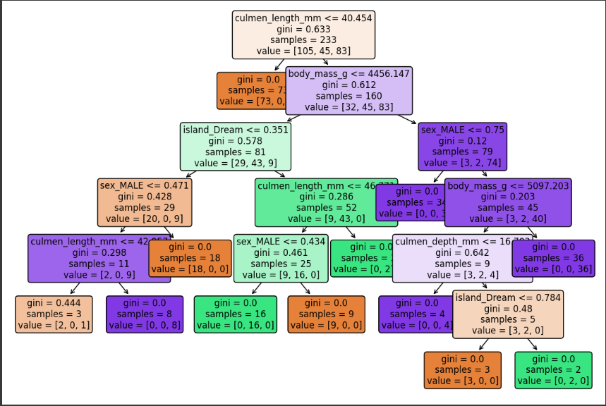

 | ⇰get_depth() (DT VISUALIZATION) ❶Return the depth of the decision tree.The depth of a tree is the maximum distance between the root and any leaf. ❷Basically in Simple Words It is maximum depth of the tree. If None, then nodes are expanded until all leaves are pure or until all leaves contain less than min_samples_split samples.

 | ⇰max_depth:int, default=None (PRUNING)
 | ❶The maximum depth of the tree. If None, then nodes are expanded until all leaves are pure or until all leaves contain less than min_samples_split samples. ❷According to Udemy It is mandating a maximum depth of our decision tree.So what we can do here is decide that we only want the decision tree to have a depth of two potential split layers, essentially splitting off the root node and then splitting off of those nodes. Anything further down than that, we're going to go ahead and prune or cut off so we can mandate a maximum depth of the tree, which would mean that we would just go back up and make those terminal or leaf nodes instead of decision nodes.

 |  | ⇰REFERENCE (Website)-->1.11(ii) Google Colab DT (Decision Tree Classifiers) With Grid Search CV Regarding Practical Implementation of Methods get_depth for DT Visualization

 | ⇰get_n_leaves() ❶Return the number of leaves of the decision tree. ❷ Basically in Simple words get_n_leaves() basically refer to no of Leaves (Terminal Node) Created in Decision Tree & Via scikit learn (plot_tree) you can do proper visualization. ❸Best_Estimator's Model from Grid Search CV for This Methods .

 |  |  | ⇰REFERENCE (Website)-->1.11(ii) Google Colab DT (Decision Tree Classifiers) With Grid Search CV Regarding Practical Implementation of Methods get_n_leaves for DT Visualization

5.TRAIN|TEST|SPLIT
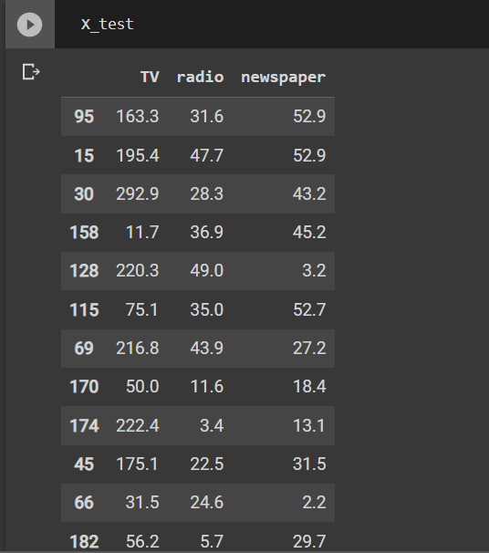
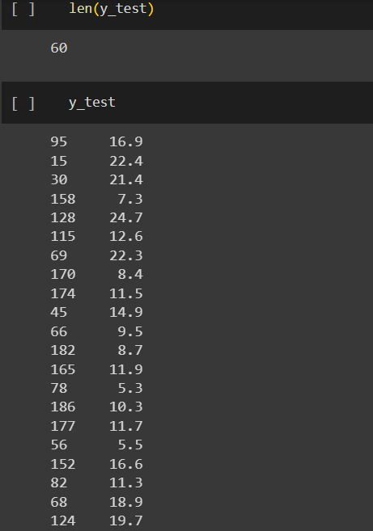
TRAIN | TEST | SPLIT

⇰REFERENCE (WEBSITE)-->Udemy Regarding Train_Test_Split
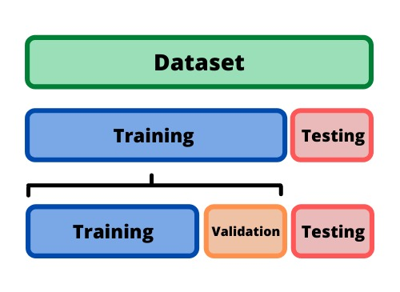 ⇰DEFINITION OF TRAIN-TEST-SPLIT →To fairly evaluate my model's performance, I don't want to evaluate it on the same data it was trained at. First we separates out the features and then it separates out the labels Further we'll separate out a training set and a test set Which Further Subdivide into 4 Components --> X train and Y train and then X test and y test the weights.

PARAMETERS FOR TRAIN | TEST | SPLIT | REFERENCE

⇰X_train→X_train Contains the Values of The Features (X1(Newspaper) ,X2(Radio) , X3(Television) This includes your all independent variables,these will be used to train the model, also as we have specified the test_size = 0.4, this means 60% of observations from your complete data will be used to train/fit the model and rest 40% will be used to test the model. | ⇰REFERENCE (Website)--> Stackoverflow Regarding TRAIN-TEST-SPLIT

⇰X_test→This is remaining 40% portion of the independent variables [Features(X1(Newspaper) ,X2(Radio) , X3(Television)] from the data which will not be used in the training phase and will be used to make predictions to test the accuracy of the model.
 | ⇰REFERENCE (Website)-> Stackoverflow Regarding TRAIN-TEST-SPLIT

⇰y_train→This is your dependent variable which needs to be predicted by this model, this includes category labels against your independent variables (Output =Total Sales), we need to specify our dependent variable while training/fitting the model.

 | ⇰REFERENCE (Website)-->(1.2) Google Colab Linear Regression Regarding Practical Implementation (Coding) of TRAIN | TEST SPLIT
⇰y_test→This data has category labels (Dependent Variable) (Output = Total Sales) for your test data, these labels will be used to test the accuracy between actual and predicted categories.

⇰test_size→test_size is the number that defines the size of the test set. It's very similar to train_size . You should provide either train_size or test_size . If neither is given, then the default share of the dataset that will be used for testing is 0.25 , or 25 percent. Especially in This Case test_size is 0.3 or 30% of Total Data Size.
 | ⇰REFERENCE (Website)-> Scikit Learn Regarding TRAIN-TESTS-SPLIT

⇰Random_state →Random_state is used to set the seed for the random generator so that we can ensure that the results that we get can be reproduced. Because of the nature of splitting the data in train and test is randomised you would get different data assigned to the train and test data unless you can control for the random factor. ↔Example-->For example, imagine you have numbers: 1,2,3,4,5 and you want to select two random numbers. Without using a random_state you would get different things: i.e. first 2,5 then 3,4 and so on.When you control the random generator by setting the random state to 0, 1 or another number, everyone would get the same random numbers generated: i.e random_state=1 then the random numbers are 1,3 and everyone who will pick two random numbers using random_state=1 from 1,2,3,4,5 will get the same two numbers as you: 1,3. →The random state hyperparameter is used to control any such randomness involved in machine learning models to get consistent results. We can use cross-validation to mitigate the effect of randomness involved in machine learning models. →Reason For Random State Usage--> ❶. We need t
 | ⇰REFERENCE (Website)-> Real Python Regarding TRAIN-TESTS-SPLIT

 | ⇰REFERENCE (Website)--> Geeks For Geeks Regarding Practical Impelentation (Coding) of TRAIN | TEST SPLIT

 | ⇰REFERENCE (Website)-> Scikit Learn Regarding TRAIN-TESTS-SPLIT

 | ⇰REFERENCE (Website)-> Real Python Regarding TRAIN-TESTS-SPLIT

⇰Shuffle Split→shuffle is the Boolean object (True by default) that focus on whether to shuffle the dataset before applying the split. →Reason For Random State Usage--> ❶The other reason that we have a random state here is because what Sk learn is going to do when it calls train test split is it's actually going to shuffle the arrays first.So you'll notice here that it actually is calling a shuffle split.That's why main reason it's calling a shuffle split. ❷If we See almost any Data set We can tell that more or less my data appears to be in no sort of sorted order.But for other data sets, it's not uncommon that when you read it in, it's actually already sorted for you. What we don't want to do is if our data set is in some sort of order or sorted is grab the first 70% of the rows for the train set and then the last 30% for the test set. Instead, we want to make sure that we shuffle everything first and then grab the 70% and 30%.That way I don't have an accidentally ordered data set and the test set happens to be all the highest sales and the training set is the lowest 70% of sales. That could be really dangerous as far as fairly evaluating and training your model. So instead we just alleviate any issues of that by shuffling the data set first.

 | ⇰REFERENCE (Website)-->(1.2) Google Colab Linear Regression Regarding Practical Implementation (Coding) of TRAIN | TEST SPLIT

 | ⇰REFERENCE (Website)-->(1.3) Google Colab (Polynomial Regression) Regarding Practical Implementation (Coding) of TRAIN | TEST SPLIT

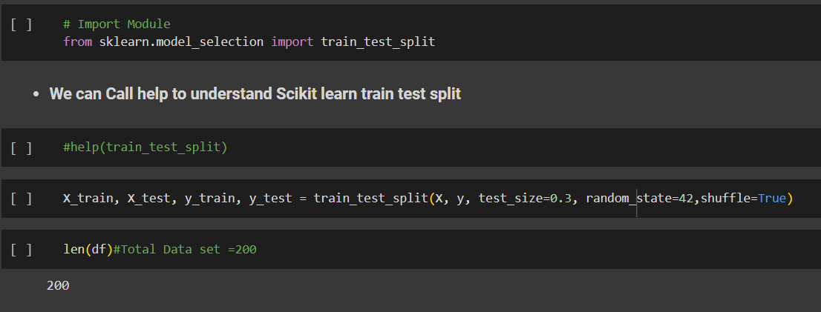 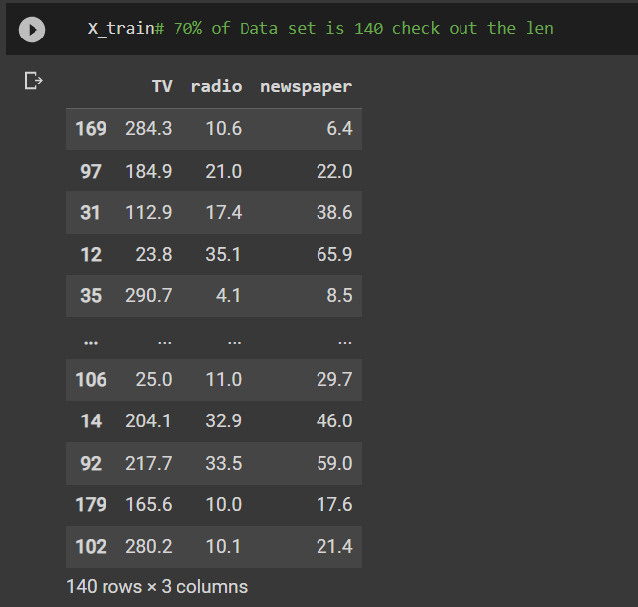 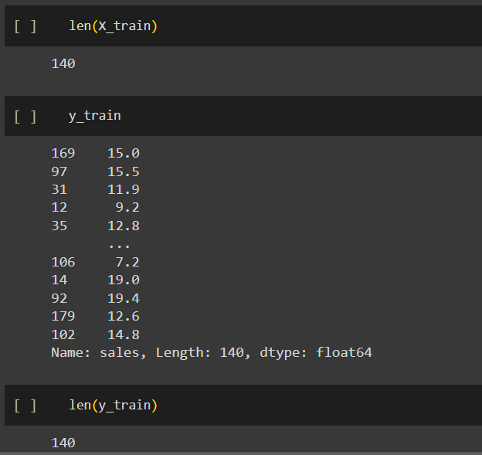 | ⇰REFERENCE (Website)-->(1.2) Google Colab Linear Regression Regarding Practical Implementation (Coding) of TRAIN | TEST SPLIT

 | ⇰REFERENCE (Website)-->(1.3) Google Colab (Polynomial Regression) Regarding Practical Implementation (Coding) of TRAIN | TEST SPLIT

